IVM & IVM-PRO
 |  |  |  | **For reference only. End-user to adjust accordingly to site-specific parameters.
PRODUCT CATEGORY | TYPE | MODEL | DESCRIPTION | LEGEND INFO | LANDING PAGE
CONTROLLER ESP-LX-IVM |  |  |  | 2-WIRE SMART VALVE BASED CONTROLLER Description: 2-Wire Controller With Smart Valve Technology for Constant Communication Between Valves and Controller. IVM (Integrated Valve Module) - Integrates 2-Wire Address, Power Pack & PC-Chip into a Solenoid (No Decoders) for 50% fewer splices, Faster, Error Free Installation and World Class Diagnostics. Application Type: Multiple FloZones (M.V. + F.S.) | Large Station Counts | Long Wire Runs | Phased Installations | Complex Flow Requirements | Master Planned Communities Central Control Type: IQv.4 FEATURES: (IVM) Station Count: 60 Station Programs: 10 FloZones: 5 Simulstations: 8 Flow Management: Built-In Optional Accessories: Powder-Coated or Stainless Steel Metal Cabinets, and Powder-Coated Metal or Stainless Steel Pedestal
CONTROLLER | ESP-LXIVM | ESPLXIVM | 60 Station No Enclosure | 60 Station, 2-Wire Controller w/ Smart Valve Technology. (1) ESPLXIVM 60-Station, Indoor/Outdoor, Plastic Wall-Mount Cabinet. System Requirements: Rain Bird LXIVM-XXX Integrated Valve Modules & 2-Wire Devices. Use Paige Electric Cable P7072D & Rain Bird WC20 Dry Splices ONLY. Ground System w/ (1) LXIVMSD Surge Device Per Every 500' or 15 devices. Install in Rain Bird Round Valve Boxes Per Manufacturers Recommendations
 |  | ESPLXIVM-LXMM | 60 Station Powder Coated, Metal Cabinet | 60 Station, 2-Wire Controller w/ Smart Valve Technology. (1) ESPLXIVM 60-Station, Indoor/Outdoor, Plastic Wall-Mount Enclosure. Installed in LXMM Powder Coated, Metal Wall-Mounted Cabinet. System Requirements: Rain Bird LXIVM-XXX Integrated Valve Modules & 2-Wire Devices. Use Paige Electric Cable P7072D & Rain Bird WC20 Dry Splices ONLY. Ground System w/ (1) LXIVMSD Surge Device Per Every 500' or 15 devices. Install in Rain Bird Round Valve Boxes Per Manufacturers Recommendations
 |  | ESPLXIVM-LXMM-LXMMPED | 60 Station Powder Coated, Metal Cabinet w/ Pedestal | 60 Station, 2-Wire Controller w/ Smart Valve Technology. (1) ESPLXIVM 60-Station, Indoor/Outdoor, Plastic Wall Mount Enclosure. Install in Rain Bird LXMM-LXMMPED Powder Coated Metal Cabinet w/ Pedestal. System Requirements: Rain Bird LXIVM-XXX Integrated Valve Modules & 2-Wire Devices. Use Paige Electric Cable P7072D & Rain Bird WC20 Dry Splices ONLY. Ground System w/ (1) LXIVMSD Surge Device Per Every 500' or 15 Devices. Install in Rain Bird Round Valve Boxes Per Manufacturers Recommendations
 |  | ESPLXIVM-LXMMSS | 60 Station Stainless Steel Cabinet | 60 Station, 2-Wire Controller w/ Smart Valve Technology. (1) ESPLXIVM 60-Station, Indoor/Outdoor, Plastic Wall-Mount Enclosure. Installed in LXMMSS Stainless Steel Wall-Mounted Cabinet. System Requirements: Rain Bird LXIVM-XXX Integrated Valve Modules & 2-Wire Devices. Use Paige Electric Cable P7072D & Rain Bird WC20 Dry Splices ONLY. Ground System w/ (1) LXIVMSD Surge Device Per Every 500' or 15 Devices. Install in Rain Bird Round Valve Boxes Per Manufacturers Recommendations
 |  | ESPLXIVM-LXMMSS-LXMMSSPED | 60 Station Stainless Steel Cabinet w/ Pedestal | 60 Station, 2-Wire Controller w/ Smart Valve Technology. (1) ESPLXIVM 60-Station, Indoor/Outdoor, Plastic Wall-Mount Enclosure. Installed in LXMMSS-LXMMSSPED Stainless Steel Cabinet w/ Pedestal. System Requirements: Rain Bird LXIVM-XXX Integrated Valve Modules & 2-Wire Devices. Use Paige Electric Cable P7072D & Rain Bird WC20 Dry Splices ONLY. Ground System w/ (1) LXIVMSD Surge Device Per Every 500' or 15 devices. Install in Rain Bird Round Valve Boxes Per Manufacturers Recommendations
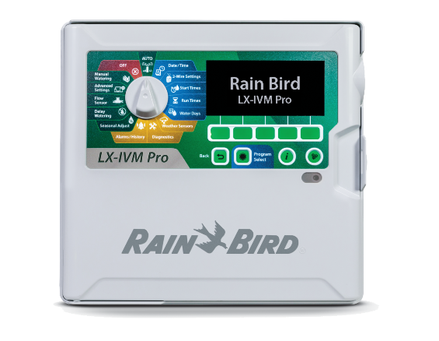 CONTROLLER ESP-LX-IVM-PRO |  |  |  | 2-WIRE SMART VALVE BASED CONTROLLER Description: 2-Wire Controller With Smart Valve Technology for Constant Communication Between Valves and Controller. IVM (Integrated Valve Module) - Integrates 2-Wire Address, Power Pack & PC-Chip into a Solenoid (No Decoders) for 50% fewer splices, Faster, Error Free Installation and World Class Diagnostics. Application Type: Multiple FloZones (M.V. + F.S.) | Large Station Counts | Long Wire Runs | Phased Installations | Complex Flow Requirements | Master Planned Communities Central Control Type: IQv.4 FEATURES: (IVMP) Station Count: 240 Station Programs: 40 FloZones:10 Simulstations: 16 Flow Management: Built-In Optional Accessories:Powder-Coated or Stainless Steel Metal Cabinets, and Powder-Coated Metal or Stainless Steel Pedestal.
CONTROLLER | ESP-LXIVM-PRO | ESPLXIVMP | 240 Station PRO No Enclosure | 240 Station, 2-Wire Controller w/ Smart Valve Technology. (1) ESPLXIVMP 240-Station, Indoor/Outdoor, Plastic Wall-Mount Enclosure. System Requirements: Rain Bird LXIVM-XXX - Integrated Valve Modules & 2-Wire Devices. Use Paige Electric Cable P7072D & Rain Bird WC20 Dry Splices ONLY. Ground System w/ (1) LXIVMSD Surge Device Per Every 500' or 15 devices. Install in Rain Bird Round Valve Boxes Per Manufacturers Recommendations
 |  | ESPLXIVMP-LXMM | 240 Station PRO Powder Coated, Metal Cabinet | 240 Station, 2-Wire Controller w/ Smart Valve Technology. (1) ESPLXIVMP 240-Station, Indoor/Outdoor, Plastic Wall-Mount Enclosure. Installed in LXMM Powder Coated, Metal Wall-Mounted Cabinet. System Requirements: Rain Bird LXIVM-XXX Integrated Valve Modules & 2-Wire Devices. Use Paige Electric Cable P7072D & Rain Bird WC20 Dry Splices ONLY. Ground System w/ (1) LXIVMSD Surge Device Per Every 500' or 15 Devices. Install in Rain Bird Round Valve Boxes Per Manufacturers Recommendations
 |  | ESPLXIVMP-LXMM-LXMMPED | 240 Station PRO Powder Coated Metal Cabinet w/ Pedestal | 240 Station, 2-Wire Controller w/ Smart Valve Technology. (1) ESPLXIVMP 240-Station, Indoor/Outdoor, Plastic Wall Mount Enclosure. Install in Rain Bird LXMM-LXMMPED Powder Coated Metal Cabinet w/ Pedestal. System Requirements: Rain Bird LXIVM-XXX Integrated Valve Modules & 2-Wire Devices. Use Paige Electric Cable P7072D & Rain Bird WC20 Dry Splices ONLY. Ground System w/ (X) LXIVMSD Surge Device in Rain Bird Round Valve Boxes. Install Per Manufacturers Recommendations
 |  | ESPLXIVMP-LXMMSS | 240 Station PRO Stainless Steel Cabinet | 240 Station, 2-Wire Controller w/ Smart Valve Technology. (1) ESPLXIVMP 240-Station, Indoor/Outdoor, Plastic Wall-Mount Enclosure. Installed in LXMMSS Stainless Steel Wall-Mounted Cabinet. System Requirements: Rain Bird LXIVM-XXX Integrated Valve Modules & 2-Wire Devices. Use Paige Electric Cable P7072D & Rain Bird WC20 Dry Splices ONLY. Ground System w/ (1) LXIVMSD Surge Device Per Every 500' or 15 Devices. Install in Rain Bird Round Valve Boxes Per Manufacturers Recommendations
 |  | ESPLXIVMP-LXMMSS-LXMMSSPED | 240 Station PRO Stainless Steel Cabinet w/ Pedestal | 240 Station, 2-Wire Controller w/ Smart Valve Technology. (1) ESPLXIVMP 240-Station, Indoor/Outdoor, Plastic Wall-Mount Enclosure. Installed in LXMMSS-LXMMSSPED Stainless Steel Cabinet w/ Pedestal. System Requirements: Rain Bird LXIVM-XXX Integrated Valve Modules & 2-Wire Devices. Use Paige Electric Cable P7072D & Rain Bird WC20 Dry Splices ONLY. Ground System w/ (1) LXIVMSD Surge Device Per Every 500' or 15 Devices. Install in Rain Bird Round Valve Boxes Per Manufacturers Recommendations
IVM FIELD DEVICES LXIVM-XXX |  |  |  | ESP-LXIVM 2-WIRE FIELD DEVICES Description: LXIVM - Integrated Valve Modules/2-Wire Devices are Installed Along the 2-Wire Path to Interface Between ESP-LX-IVM / PRO Controllers and Systems Field Devices (Valves, Flow Sensors, Weather Sensors and Pumps).
FIELD DEVICES | 2-Wire Field Devices | LXIVMOUT | 2-Wire Device for Non-Rain Bird Valves & Pump Start Relays | Field Device to Interface Detween 3rd Party Valves or Pump Start Relay & ESPLXIVM(P), 2-Wire Controllers. (1) LXIVMOUT Per Valve/Relay (DC Latching Solenoid Required)
 |  | LXIVMSD | Surge Device for Grounding | Surge Device Provides Neccessary Protection on the ESPLXIVM(P) Controller, 2 Wire Path. Install (1) LXIVMSD Every 500ft or 15 Field Devices (Whichever is Smaller)
 |  | LXIVMSEN | Sensor Device for Flow & Weather Sensors | Sensor Device Interfaces w/ Flow or Weather Sensor and ESP-LX-IVM(P) Controller. Flow Sensor can be Installed Anywhere on the 2-Wire Path
 |  | LXIVMSOL | 2-Wire Device for Rain Bird Valves | Integrated Valve Module - DC Latching Solenoid and 2-Wire Address in One (No Decoders) Interfaces with ESPLXIVM(P) Controller and Valves/Master Valves. Compatible with Rain Bird Commercial Valves Only (PEB, PESB, PGA, EFB-CP, ASVF,DV)
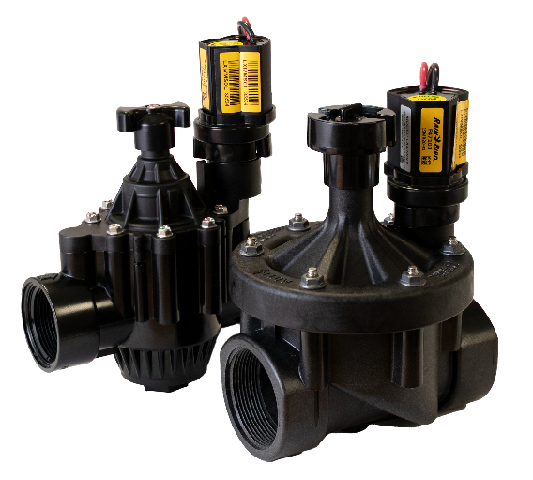 IVM Smart Valves |  |  |  | SMART VALVES Description: “Smart valves” Come Factory Installed with an Integrated Valve Module (IVM) Possessing a Power Pack, PC-Chip & 2-Wire Address for Two-Way Communication with IVM Controllers Project Type: Two-Wire | Commercial | Municipal | Dirty Water Sizes: 1" | 1.5" | 2" Flow Range: PGA: 2-150GPM |PEB/PESB: .25-200GPM | EFB-CP: 5-200GPM Inlet Pressure Range: PGA: 15-150PSI |PEB/PESB: 20-200PSI | EFB-CP: 15-200PSI Compatible Controllers: ESP-LX-IVM & ESP-LX-IVM-PRO PRS-Dial Compatibility: Yes Non-Potable Options: Yes (EFB-CP & PEB/PESB) N.O./N.C.: IVM Valves can be programmed for N.O or N.C. Reverse or Forward Flow: PGA: Forward | PEB/PESB: Forward | EFB-CP Reverse Kit Components: Factory Installed IVM-SOL on Commercial Valve (PEB/PESB, PGA & EFB-CP)
SMART VALVES | IVM Smart Valves | IVM-EFB-CP | Brass Smart Valve | 1" | 1-1/2"| 2" Brass Remote Control Smart Valve w/ Factory Installed IVM-SOL Contamination Proof, Self-Flushing Filter Screen. Globe Configuration, Reclaimed Water Compatible, Specify Purple Handle Cover Designates Non-Potable Water Use
 |  | PEB-IVM | Plastic Smart Valve | 1"|1-1/2"|2" Plastic Industrial Valves. Low Flow Operating Capability, Globe Configuration. With Factory Installed IVM-SOL. For Purple Flow Control Handles for Non-Potable Water Applications Use PEB-NP-HAN1 (1") or PEB-NP-HAN2 (1 1/2 and 2")
 |  | PESB-IVM | Plastic Scrubber Smart Valve | 1"|1-1/2"|2" Plastic Industrial Smart Valves w/ Factory Installed IVM-SOL. Low Flow Operating Capability, Globe Configuration. With Scrubber Technology for Reliable Performance in Dirty Water Irrigation Applications. For Purple Flow Control Handles for Non-Potable Water Applications Use PEB-NP-HAN (1") or PEB-NP-HAN2 (1 1/2 and 2")
 |  | IVM-PGA Angle | Plastic Angle Smart Valve | 1"|1-1/2"|2" Electric Remote Control Smart Valve, Angle. With Factory Installed IVM-SOL
 |  | IVM-PGA Globe | Plastic Globe Smart Valve | 1"|1-1/2"|2" Electric Remote Control Smart Valve, Globe. With Factory Installed IVM-SOL
 | IVM Smart Dripzone Kits | XCZ-100-IVM | Drip Zone Kit with PESB Smart Valve | Wide Flow IVM Drip Control Kit for Commercial Applications. [1"] Ball Valve with [1"] PESBIVM Smart Valve w/ Factory Installed IVM-SOL [0.3gpm to 20gpm] and [1"] Pressure Regulating [40psi] Flow-Indicating Basket Filter [3gpm to 20gpm]
COMPETITVE VALVE NOTE: | CONTRACTOR TO REPLACE VALVE SOLENOID WITH COMPATIBLE DC LATCHING SOLENOID AND (1) LXIVMOUT

LXD
 |  |  |  | **For reference only. End-user to adjust accordingly to site-specific parameters.
PRODUCT CATEGORY | TYPE | MODEL | DESCRIPTION | LEGEND INFO | LANDING PAGE
CONTROLLER ESP-LXD |  |  |  | 2-WIRE DECODER BASED CONTROLLER Description: Original 2-Wire, Decoder-Based, Commercial Controller. Modular Station Capacity for Flexible, Cost Effective Design. Standard UV-Resistant, Outdoor-Rated, Plastic Locking Wall-Mountable Case. Projects Type: Multiple FloZones (MV & FS) | Large Station Counts | Long Wire Runs | Phased Installations | Complex Flow Requirements Central Control Type: IQv.3 or IQv.4 FEATURES: Station Count: Expandable from 50 to 200 Stations (75 Station Increments). Programs: 4 FloZones (M.V. + F.S.): 5 Simulstations: 8 Flow Management: Built-In Optional Accessories: Powder-Coated or Stainless Steel Metal Cabinets, and Powder-Coated Metal or stainless steel Pedestal
CONTROLLER | ESP-LXD | ESP-LXD | 50 Station No Enclosure | 50 Station, 2-Wire Decoder based Controller. (1) ESP-LXD 50-Station, Indoor/Outdoor, Plastic Wall-Mount Enclosure. System Requirements: Rain Bird FD-XXX-TURF Field Decoders, Paige Electric Cable P7072D & Rain Bird WC20 Dry Splices ONLY. Ground System w/ (X) LSP-1TURF Line Surge Protectors in Rain Bird Round Valve Boxes. Install Per Manufacturers Recommendations
 |  | ESP-LXD w/ (1) ESPLXD-SM75 | 125 Station No Enclosure | 125 Station, 2-Wire Decoder Controller. (1) ESP-LXD 50-Station, Indoor/Outdoor, Plastic Wall-Mount Enclosure w/ (1) ESPLXD-SM75, 75-Station Expansion Module. System Requirements: Rain Bird FD-XXX-TURF Field Decoders, Paige Electric Cable P7072D & Rain Bird WC20 Dry Splices ONLY. Ground System w/ (X) LSP-1TURF Line Surge Protectors in Rain Bird Round Valve Boxes. Install Per Manufacturers Recommendations
 |  | ESP-LXD w/ (2) ESPLXD-SM75 | 200 Station No Enclosure | 200 Station, 2-Wire Decoder Controller. (1) ESP-LXD 50-Station, Indoor/Outdoor, Plastic Wall-Mount Enclosure w/ (2) ESPLXD-SM75, 75-Station Expansion Modules. System Requirements: Rain Bird FD-XXX-TURF Field Decoders, Paige Electric Cable P7072D & Rain Bird WC20 Dry Splices ONLY. Ground System w/ (X) LSP-1TURF Line Surge Protectors in Rain Bird Round Valve Boxes. Install Per Manufacturers Recommendations
 |  | ESP-LXD-LXMM | 50 Station Powder Coated, Metal Cabinet | 50 Station, 2-Wire Decoder based Controller in Powder Coated Metal Wall-Mounted Cabinet. (1) ESP-LXD 50-Station, Indoor/Outdoor, Plastic Wall-Mount Enclosure. Install in Rain Bird LXMM Powder Coated Metal, Wall-Mount Cabinet. System Requirements: Rain Bird FD-XXX-TURF Field Decoders, Paige Electric Cable P7072D & Rain Bird WC20 Dry Splices ONLY. Ground System w/ (X) LSP-1TURF Line Surge Protectors in Rain Bird Round Valve Boxes. Install Per Manufacturers Recommendations
 |  | ESP-LXD-LXMM w/ (1) ESPLXD-SM75 | 125 Station Powder Coated, Metal Cabinet | 125 Station, 2-Wire Decoder Controller in Powder Coated Metal, Wall-Mount Cabinet. (1) ESP-LXD 50-Station, Indoor/Outdoor, Plastic Wall-Mount Enclosure w/ (1) ESPLXD-SM75, 75-Station Expansion Module. Install in Rain Bird LXMM Powder Coated, Metal Wall-Mount Cabinet. System Requirements: Rain Bird FD-XXX-TURF Field Decoders, Paige Electric Cable P7072D & Rain Bird WC20 Dry Splices ONLY. Ground System w/ (X) LSP-1TURF Line Surge Protectors in Rain Bird Rnd. Valve Boxes. Install Per Mfr. Rec.
 |  | ESP-LXD-LXMM w/ (2) ESPLXD-SM75 | 200 Station Powder Coated, Metal Cabinet | 200 Station, 2-Wire Decoder based Controller in Powder Coated Metal, Wall-Mount Cabinet. (1) ESP-LXD 50-Station, Indoor/Outdoor, Plastic Wall-Mount Enclosure w/ (2) ESPLXD-SM75, 75-Station Expansion Modules. Install in Rain Bird LXMM Powder Coated Metal, Wall-Mount Cabinet. System Requirements: Rain Bird FD-XXX-TURF Field Decoders, Paige Electric Cable P7072D & Rain Bird WC20 Dry Splices ONLY. Ground System w/ (X) LSP-1TURF Line Surge Protectors in Rain Bird Rnd. Valve Boxes. Install Per Mfr. Rec
 |  | ESP-LXD-LXMMPED | 50 Station Powder Coated, Metal Cabinet w/ Pedestal | 50 Station, 2-Wire Decoder based Controller in Powder Coated Metal, Cabinet w/ Pedestal. (1) ESP-LXD 50-Station, Indoor/Outdoor, Plastic Wall-Mount Enclosure. Install in Rain Bird LXMM-LXMMPED Powder Coated Metal Cabinet w/ Pedestal. System Requirements: Rain Bird FD-XXX-TURF Field Decoders, Paige Electric Cable P7072D & Rain Bird WC20 Dry Splices ONLY. Ground System w/ (X) LSP-1TURF Line Surge Protectors in Rain Bird Round Valve Boxes. Install Per Manufacturers Recommendations
 |  | ESP-LXD-LXMMPED w/ (1)ESPLXD-SM75 | 125 Station Powder Coated, Metal Cabinet w/ Pedestal | 125 Station, 2-Wire Decoder Controller in Powder Coated Metal, Wall-Mount Cabinet. (1) ESP-LXD 50-Station, Indoor/Outdoor, Plastic Wall-Mount Enclosure w/ (1) ESPLXD-SM75, 75-Station Expansion Module. Install in Rain Bird LXMM-LXMMPED Powder Coated, Metal Cabinet w/ Pedestal. System Requirements: Rain Bird FD-XXX-TURF Field Decoders, Paige Electric Cable P7072D & Rain Bird WC20 Dry Splices ONLY. Ground System w/ (X) LSP-1TURF Line Surge Protectors in Rain Bird Rnd. Valve Boxes. Install Per Mfr. Rec.
 |  | ESP-LXD-LXMMPED w/ (2) ESPLXD-SM75 | 200 Station Powder Coated, Metal Cabinet w/ Pedestal | 200 Station, 2-Wire Decoder based Controller in Powder Coated Metal, Wall-Mount Cabinet. (1) ESP-LXD 50-Station, Indoor/Outdoor, Plastic Wall-Mount Enclosure w/ (2) ESPLXD-SM75, 75-Station Expansion Modules. Install in Rain Bird LXMM-LXMMPED Powder Coated Metal Cabinet w/ Pedestal System Requirements: Rain Bird FD-XXX-TURF Field Decoders, Paige Electric Cable P7072D & Rain Bird WC20 Dry Splices ONLY. Ground System w/ (X) LSP-1TURF Line Surge Protectors in Rain Bird Rnd. Valve Boxes. Install Per Mfr. Rec
 |  | ESP-LXD-LXMMSS | 50 Station Stainless Steel, Wall-Mount Cabinet | 50 Station, 2-Wire Decoder based Controller in Powder Coated Metal, Cabinet w/ Pedestal. (1) ESP-LXD 50-Station, Indoor/Outdoor, Plastic Wall-Mount Enclosure. Install in Rain Bird LXSS Stainless Steel, Wall-Mount Cabinet System Requirements: Rain Bird FD-XXX-TURF Field Decoders, Paige Electric Cable P7072D & Rain Bird WC20 Dry Splices ONLY. Ground System w/ (X) LSP-1TURF Line Surge Protectors in Rain Bird Round Valve Boxes. Install Per Manufacturers Recommendations
 |  | ESP-LXD-LXMMSS w/ (1)ESPLXD-SM75 | 125 Station Stainless Steel, Wall-Mount Cabinet | 125 Station, 2-Wire Decoder based Controller in Stainless Steel Wall-Mount Cabinet. (1) ESP-LXD 50-Station, Indoor/Outdoor, Plastic Wall-Mount Enclosure w/ (1) ESPLXD-SM75, 75-Station Expansion Module. Install in Rain Bird LXMMSS Exterior Stainless Steel Wall-Mount Cabinet. System Requirements: Rain Bird FD-XXX-TURF Field Decoders, Paige Electric Cable P7072D & Rain Bird WC20 Dry Splices ONLY. Ground System w/ (X) LSP-1TURF Line Surge Protectors in Rain Bird Rnd. Valve Boxes. Install Per Mfr. Rec.
 |  | ESP-LXD-LXMMSS w/ (2) ESPLXD-SM75 | 200 Station Stainless Steel, Wall-Mount Cabinet | 200 Station, 2-Wire Decoder based Controller in Stainless Steel Wall-Mount Cabinet. (1) ESP-LXD 50-Station, Indoor/Outdoor, Plastic Wall-Mount Enclosure w/ (2) ESPLXD-SM75, 75-Station Expansion Modules. Install in Rain Bird LXMMSS Stainless Steel-Wall-Mount Cabinet. System Requirements: Rain Bird FD-XXX-TURF Field Decoders, Paige Electric Cable P7072D & Rain Bird WC20 Dry Splices ONLY. Ground System w/ (X) LSP-1TURF Line Surge Protectors in Rain Bird Rnd. Valve Boxes. Install Per Mfr. Rec.
 |  | ESP-LXD-LXMMSS-LXMMSSPED | 50 Station Stainless Steel, Cabinet w/ Pedestal | 50 Station, 2-Wire Decoder based Controller in Stainless Steel, Cabinet w/ Pedestal. (1) ESP-LXD 50-Station, Indoor/Outdoor, Plastic Wall-Mount Enclosure. Install in Rain Bird LXMMSS-LXMMSSPED Stainless Steel Cabinet w/ Pedestal. System Requirements: Rain Bird FD-XXX-TURF Field Decoders, Paige Electric Cable P7072D & Rain Bird WC20 Dry Splices ONLY. Ground System w/ (X) LSP-1TURF Surge Protection Decoders in Rain Bird Round Valve Boxes. Install Per Manufacturers Recommendations
 |  | ESP-LXD-LXMMSS-LXMMSSPED w/ (1) ESPLXD-SM75 | 125 Station Stainless Steel, Cabinet w/ Pedestal | 125 Station, 2-Wire Decoder based Controller in Stainless Steel Wall-Mount Cabinet. (1) ESP-LXD 50-Station, Indoor/Outdoor, Plastic Wall-Mount Enclosure w/ (1) ESPLXD-SM75, 75-Station Expansion Module. Install in Rain Bird LXMMSS-LXSSPED Exterior Stainless Steel Cabinet w/ Pedestal. System Requirements: Rain Bird FD-XXX-TURF Field Decoders, Paige Electric Cable P7072D & Rain Bird WC20 Dry Splices ONLY. Ground System w (X) LSP-1TURF Line Surge Protectors in Rain Bird Rnd. Valve Boxes. Install Per Mfr. Rec.
 |  | ESP-LXD-LXMMSS-LXMMSSPED w/ (2) ESPLXD-SM75 | 200 Station Stainless Steel, Cabinet w/ Pedestal | 200 Station, 2-Wire Decoder based Controller in Stainless Steel Wall-Mount Cabinet. (1) ESP-LXD 50-Station, Indoor/Outdoor, Plastic Wall-Mount Enclosure w/ (2) ESPLXD-SM75, 75-Station Expansion Module. Install in Rain Bird LXMMSS-LXSSPED Exterior Stainless Steel Cabinet w/ Pedestal. System Requirements: Rain Bird FD-XXX-TURF Field Decoders, Paige Electric Cable P7072D & Rain Bird WC20 Dry Splices ONLY. Ground System w/ (X) LSP-1TURF Line Surge Protectors in Rain Bird Rnd. Valve Boxes. Install Per Mfr. Rec.
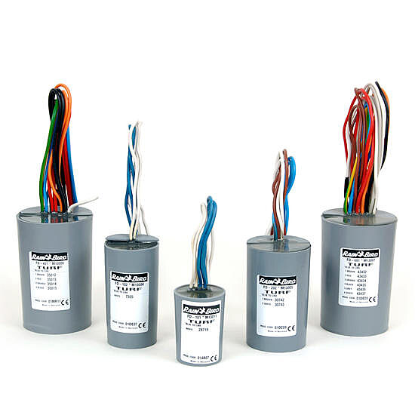 DECODERS LXD Field Decoders FD-TURF
FIELD DEVICES | FD-TURF Two-Wire Decoders | FD-101TURF | One Address, Single Valve Field Decoder | Field Decoder to Interface with ESP-LXD Controller. Operates one valve/solenoid. Use Rain Bird WC20 Dry Splices Only and Install in Rain Bird Valve Box. Use Line Surge Protection (LSP-1TURF) as Per Manufacturer's Recommendations
 |  | FD-102TURF | One Address, Two Valve Field Decoder | Field Decoder to Interface with ESP-LXD Controller. Operates one or two valve/solenoids simultaneously. Use Rain Bird WC20 Dry Splices Only and Install in Rain Bird Valve Box. Use Line Surge Protection (LSP-1TURF) as Per Manufacturer's Recommendations
 |  | FD-202TURF | Two Address, Two Valve Field Decoder | Field Decoder to Interface with ESP-LXD Controller. Operates One to Four Valve/Solenoids Simultaneously. Use Rain Bird WC20 Dry Splices Only and Install in Rain Bird Valve Box. Use Line Surge Protection (LSP-1TURF) as Per Manufacturer's Recommendations
 |  | FD-401TURF | Four Address, Four Valve Field Decoder | Field Decoder to Interface with ESP-LXD Controller. Operates One to Four Valve/Solenoids with Individual Control. Use Rain Bird WC20 Dry Splices Only and Install in Rain Bird Valve Box. Use Line Surge Protection (LSP-1TURF) as Per Manufacturer's Recommendations
 |  | FD-601TURF | Six Address, Six Valve Field Decoder | Field Decoder to Interface with ESP-LXD Controller. Operates One to Six Valve/Solenoids with Individual Control. Use Rain Bird WC20 Dry Splices Only and Install in Rain Bird Valve Box. Use Line Surge Protection (LSP-1TURF) as Per Manufacturer's Recommendations
 |  | LSP-1TURF | Line surge protection | Surge Device Provides Neccessary Protection on the ESP-LXD Controller, 2 Wire Path. Install (1) LSP-1TURF Every 500ft or 15 Field Devices (Whichever is Smaller). Install Per Manufacturer's Recommendations
 |  | SD-210TURF | Flow Sensing Field Decoder | Sensor Device to Interface with ESP-LXD Controller. Install (1) SD-210TURF per Flow Sensor or Weather Sensor. Use WC20 Dry Splices Only and Install in Rain Bird Valve Box

LXME2 & LXME2-Pro
 |  |  |  | **For reference only. End-user to adjust accordingly to site-specific parameters.
PRODUCT CATEGORY | TYPE | MODEL | DESCRIPTION | LEGEND INFO | LANDING PAGE
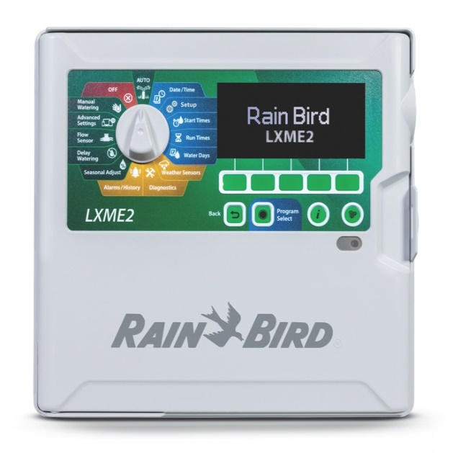 CONTROLLER ESPLXME2 |  |  |  | TRADITIONALLY WIRED CONTROLLER (NEW FOR 2022!!) Description: The ESP-LXME2 is the Next Generation of the ESP-LXME Series Commercial Controller. Utilizing the Trusted Modular Layout for Flexible Design, Simplifeid Servicing and Cost Effective field Solutions; We have now added 40 Programs, Station Level Pump Control & an Enhanced User Interface (Backlit Display, Everywhere Lighting, Simplified Dial, Info & Language Buttons) Providing Easy Field Adjustments with Maximum Flexibility. Project Type: Commercial | Municipal | Cost Effective | Small to Medium Station Count | Central Control Type: IQv.4 (Must Specify IQ-NCC-(X) Cartridge) FEATURES: Station Count: 12 Station Base Unit, Expandable Up to 48 Stations. (12 Station Expansion Modules) Programs: 40 FloZones (M.V. + F.S.): 0 Simulstations: 5 Start Times: 10 Per Program Flow Management: Not Built-In. Option to Replace Base Module with PRO Smart Module Optional Accessories: Powder-Coated or Stainless Steel Metal Cabinets and Pedestals
CONTROLLER | ESPLXME2 | ESPLXME2 | 12 Station No Enclosure | 12 Station, Traditionally-Wired, Commercial Controller. (1) ESP12LXME2 12-Station, Indoor/Outdoor, Plastic Wall-Mount Enclosure
 |  | ESPLXME2 w/ (1) ESPLXMSM12 | 24 Station No Enclosure | 24 Station, Traditionally-Wired, Commercial Controller. (1) ESP12LXME2 12-Station, Indoor/Outdoor, Plastic Wall-Mount Enclosure w/ (1) ESPLXMSM12 - 12-Station Expansion Modules
 |  | ESPLXME2 w/ (2) ESPLXMSM12 | 36 Station No Enclosure | 36 Station, Traditionally-Wired, Commercial Controller. (1) ESP12LXME2 12-Station, Indoor/Outdoor, Plastic Wall-Mount Enclosure w/ (2) ESPLXMSM12 - 12-Station Expansion Modules
 |  | ESPLXME2 w/ (3) ESPLXMSM12 | 48 Station No Enclosure | 48 Station, Traditionally-Wired, Commercial Controller. (1) ESP12LXME2 12-Station, Indoor/Outdoor, Plastic Wall-Mount Enclosure w/ (3) ESPLXMSM12 - 12-Station Expansion Modules
 |  | ESPLXME2-LXMM | 12 Station Metal Wall-Mounted Cabinet | 12 Station Traditionally-Wired, Commercial Controller. Indoor/Outdoor, Plastic Wall-Mount Enclosure. Install in LXMM Powder Coated, Metal Wall-Mounted Cabinet
 |  | ESPLXME2-LXMM w/ (1) ESPLXMSM12 | 24 Station Metal Wall-Mounted Cabinet | 24 Station, Traditionally-Wired, Commercial Controller. (1) ESP12LXME2 12-Station, Indoor/Outdoor, Plastic Wall-Mount Enclosure w/ (1) ESPLXMSM12 - 12-Station Expansion Modules. Install in LXMM Powder Coated, Metal Wall-Mounted Cabinet
 |  | ESPLXME2-LXMM w/ (2) ESPLXMSM12 | 36 Station Metal Wall-Mounted Cabinet | 36 Station, Traditionally-Wired, Commercial Controller. (1) ESP12LXME2 12-Station, Indoor/Outdoor, Plastic Wall-Mount Enclosure w/ (2) ESPLXMSM12 - 12-Station Expansion Modules. Install in LXMM Powder Coated, Metal Wall-Mounted Cabinet
 |  | ESPLXME2-LXMM w/ (3) ESPLXMSM12 | 48 Station Metal Wall-Mounted Cabinet | 48 Station, Traditionally-Wired, Commercial Controller. (1) ESP12LXME 12-Station, Indoor/Outdoor, Plastic Wall-Mount Enclosure w/ (3) ESPLXMSM12 - 12-Station Expansion Modules. Install in LXMM Powder Coated, Metal Wall-Mounted Cabinet
 |  | ESPLXME2-LXMM-LXMMPED | 12 Station Powder-Coated Metal Cabinet w/ Pedestal | 12 Station, Traditionally-Wired, Commercial Controller. Indoor/Outdoor, Plastic Wall-Mount Enclosure. Install in LXMM-LXMMPED Powder Coated, Metal Wall-Mounted Cabinet. w/ Pedestal
 |  | ESPLXME2-LXMM-LXMMPED w/ (1) ESPLXMSM12 | 24 Station Powder-Coated Metal Cabinet w/ Pedestal | 24 Station, Traditionally-Wired, Commercial Controller. (1) ESPLXME2 12-Station, Indoor/Outdoor, Plastic Wall-Mount Enclosure w/ (1) ESPLXMSM12 - 12-Station Expansion Module. Install in LXMM-LXMMPED Powder Coated, Metal Wall-Mounted Cabinet w/ Pedestal
 |  | ESPLXME2-LXMM-LXMMPED w/ (2) ESPLXMSM12 | 36 Station Powder-Coated Metal Cabinet w/ Pedestal | 36 Station, Traditionally-Wired, Commercial Controller. (1) ESPLXME2 12-Station, Indoor/Outdoor, Plastic Wall-Mount Enclosure w/ (2) ESPLXMSM12 - 12-Station Expansion Modules. Install in LXMM-LXMMPED Powder Coated, Metal Wall-Mounted Cabinet w/ Pedestal
 |  | ESPLXME2-LXMM-LXMMPED w/ (3) ESPLXMSM12 | 48 Station Stainless Steel Cabinet | 48 Station, Traditionally-Wired, Commercial Controller. (1) ESPLXME2 12-Station, Indoor/Outdoor, Plastic Wall-Mount Enclosure w/ (3) ESPLXMSM12 - 12-Station Expansion Modules. Install in LXMM-LXMMPED Powder Coated, Metal Wall-Mounted Cabinet w/ Pedestal
 |  | ESPLXME2-LXMMSS | 12 Station Stainless Steel Cabinet | 12 Station Traditionally-Wired, Commercial Controller. Indoor/Outdoor, Plastic Wall-Mount Enclosure. Install in LXMMSS Stainless Steel Cabinet
 |  | ESPLXME2-LXMMSS w/ (1) ESPLXMSM12 | 24 Station Stainless Steel Cabinet | 24 Station, Traditionally-Wired, Commercial Controller. (1) ESPLXME2 12-Station, Indoor/Outdoor, Plastic Wall-Mount Enclosure w/ (1) ESPLXMSM12 - 12-Station Expansion Modules. Install in LXMMSS Stainless Steel Cabinet
 |  | ESPLXME2-LXMMSS w/ (2) ESPLXMSM12 | 36 Station Stainless Steel Cabinet | 36 Station, Traditionally-Wired, Commercial Controller. (1) ESPLXME2 12-Station, Indoor/Outdoor, Plastic Wall-Mount Enclosure w/ (2) ESPLXMSM12 - 12-Station Expansion Modules. Install in LXMMSS Stainless Steel Cabinet
 |  | ESPLXME2-LXMMSS w/ (3) ESPLXMSM12 | 48 Station Stainless Steel Cabinet | 48 Station, Traditionally-Wired, Commercial Controller. (1) ESPLXME2 12-Station, Indoor/Outdoor, Plastic Wall-Mount Enclosure w/ (3) ESPLXMSM12 - 12-Station Expansion Modules. Install in LXMMSS Stainless Steel Cabinet
 |  | ESPLXME2-LXMMSS-LXMMSSPED | 12 Station Stainless Steel Cabinet w/ Pedestal | 12 Station, Traditionally-Wired, Commercial Controller. Indoor/Outdoor, Plastic Wall-Mount Enclosure. Install in LXMMSS-LXMMSSPED Stainless Steel Cabinet w/ Pedestal
 |  | ESPLXME2-LXMMSS-LXMMSSPED w/ (1) ESPLXMSM12 | 24 Station Stainless Steel Cabinet w/ Pedestal | 24 Station, Traditionally-Wired, Commercial Controller. (1) ESPLXME2 12-Station, Indoor/Outdoor, Plastic Wall-Mount Enclosure w/ (1) ESPLXMSM12 - 12-Station Expansion Module. Install in LXMMSS-LXMMSSPED Stainless Steel Cabinet w/ Pedestal
 |  | ESPLXME2-LXMMSS-LXMMSSPED w/ (2) ESPLXMSM12 | 36 Station Stainless Steel Cabinet w/ Pedestal | 36 Station, Traditionally-Wired, Commercial Controller. (1) ESPLXME2 12-Station, Indoor/Outdoor, Plastic Wall-Mount Enclosure w/ (2) ESPLXMSM12 - 12-Station Expansion Modules. Install in LXMMSS-LXMMSSPED Stainless Steel Cabinet w/ Pedestal
 |  | ESPLXME2-LXMMSS-LXMMSSPED w/ (3) ESPLXMSM12 | 48 Station Stainless Steel Cabinet w/ Pedestal | 48 Station, Traditionally-Wired, Commercial Controller. (1) ESPLXME2 12-Station, Indoor/Outdoor, Plastic Wall-Mount Enclosure w/ (3) ESPLXMSM12 - 12-Station Expansion Modules. Install in LXMMSS-LXMMSSPED Stainless Steel Cabinet w/ Pedestal
CONTROLLER ESP-LXME2-PRO |  |  |  | TRADITIONALLY WIRED CONTROLLER (NEW FOR 2022!!) Description: The ESP-LXME2-PRO is the Next Generation ESP-LXME-F Series Commercial Controller. The LXME2-PRO Comes with Factory Installed Pro Smart Module. Choose "Pro” for Flow (Flow-Management, Flow-Watch, In-Field Leak Detection & Diagnostics) and Newly Added, Station Level Booster Pump Control. Same Modular Station Capacity as before For Flexible, Cost Effective Design but now with more programs (40) and Enhanced User Interface (Backlit Display, Everywhere Lighting, Simplified Dial Positions, Info and Language Buttons.) Project Type: Commercial | Municipal | Cost Effective | Small to Medium Station Count | Flow Sensing Central Control Type: IQv.4 (Must Specify IQ-NCC-(X) Cartridge) FEATURES: Station Count: 12 Station Base Unit, Expandable Up to 48 Stations. (12 Station Expansion Modules) FloZones (M.V. + F.S.): 1 (One) Booster Pump: M.V. 2/P for Station Level Booster Pump Control Programs: 40 Simulstations: 5 Start Times: 10 Per Program Flow Management: Yes (Factory Installed PRO Smart Module) Optional Accessories: Powder-Coated or Stainless Steel Metal Cabinets and Pedestals.
CONTROLLER | ESPLXME2PRO | ESP-LXME2-P | 12 Station PRO No Enclosure | 12 Station, Traditionally-Wired Commercial Controller w/ Factory Installed PRO Smart Module. Indoor/Outdoor, Plastic Wall-Mount Enclosure.
 |  | ESP-LXME2-P w/ (1) ESPLXMSM12 | 24 Station PRO No Enclosure | 24 Station, Traditionally-Wired, PRO Smart, Commercial Controller. (1) ESPLXME2P 12-Station, PRO Smart, (Module Included) Indoor/Outdoor, Plastic Wall-Mount Enclosure w/ (1) ESPLXMSM12 - 12-Station Expansion Modules.
 |  | ESP-LXME2-P w/ (2) ESPLXMSM12 | 36 Station PRO No Enclosure | 36 Station, Traditionally-Wired, PRO Smart, Commercial Controller. (1) ESPLXME2P 12-Station, PRO Smart, (Module Included) Indoor/Outdoor, Plastic Wall-Mount Enclosure w/ (2) ESPLXMSM12 - 12-Station Expansion Modules.
 |  | ESP-LXME2-P w/ (3) ESPLXMSM12 | 48 Station PRO No Enclosure | 48 Station, Traditionally-Wired, PRO Smart, Commercial Controller. (1) ESPLXME2P 12-Station, PRO Smart, (Module Included) Indoor/Outdoor, Plastic Wall-Mount Enclosure w/ (3) ESPLXMSM12 - 12-Station Expansion Modules.
 |  | ESP-LXME2-P-LXMM | 12 Station PRO Metal Wall-Mounted Cabinet | 12 Station, Traditionally-Wired Commercial Controller w/ Factory Installed PRO Smart Module. Indoor/Outdoor, Plastic Wall-Mount Enclosure. Install in LXMM Powder Coated, Metal Wall-Mounted Cabinet.
 |  | ESP-LXME2-P-LXMM w/ (1) ESPLXMSM12 | 24 Station PRO Metal Wall-Mounted Cabinet | 24 Station, Traditionally-Wired, PRO Smart, Commercial Controller. (1) ESPLXME2P 12-Station, PRO Smart, (Module Included) Indoor/Outdoor, Plastic Wall-Mount Enclosure w/ (1) ESPLXMSM12 - 12-Station Expansion Modules. Install in LXMM Powder Coated, Metal Wall-Mounted Cabinet.
 |  | ESP-LXME2-P-LXMM w/ (2) ESPLXMSM12 | 36 Station PRO Metal Wall-Mounted Cabinet | 36 Station, Traditionally-Wired, PRO Smart, Commercial Controller. (1) ESPLXME2P 12-Station, PRO Smart, (Module Included) Indoor/Outdoor, Plastic Wall-Mount Enclosure w/ (2) ESPLXMSM12 - 12-Station Expansion Modules. Install in LXMM Powder Coated, Metal Wall-Mounted Cabinet.
 |  | ESP-LXME2-P-LXMM w/ (3) ESPLXMSM12 | 48 Station PRO Metal Wall-Mounted Cabinet | 48 Station, Traditionally-Wired, PRO Smart, Commercial Controller. (1) ESPLXME2P 12-Station, PRO Smart, (Module Included) Indoor/Outdoor, Plastic Wall-Mount Enclosure w/ (3) ESPLXMSM12 - 12-Station Expansion Modules. Install in LXMM Powder Coated, Metal Wall-Mounted Cabinet.
 |  | ESP-LXME2-P-LXMM-LXMMPED | 12 Station PRO Powder-Coated Metal Cabinet w/ Pedestal. | 12 Station, Traditionally-Wired Commercial Controller w/ Factory Installed PRO Smart Module. Indoor/Outdoor, Plastic Wall-Mount Enclosure. Install in LXMM-LXMMPED Powder Coated, Metal Wall-Mounted Cabinet w/ Pedestal.
 |  | ESP-LXME2-P-LXMM-LXMMPED w/ (1) ESPLXMSM12 | 24 Station PRO Powder-Coated Metal Cabinet w/ Pedestal. | 24 Station, Traditionally-Wired, PRO Smart, Commercial Controller. (1) ESPLXME2P 12-Station, PRO Smart, (Module Included) Indoor/Outdoor, Plastic Wall-Mount Enclosure w/ (1) ESPLXMSM12 - 12-Station Expansion Modules. Install in LXMM-LXMMPED Powder Coated, Metal Wall-Mounted Cabinet w/Pedestal.
 |  | ESP-LXME2-P-LXMM-LXMMPED w/ (2) ESPLXMSM12 | 36 Station PRO Powder-Coated Metal Cabinet w/ Pedestal. | 36 Station, Traditionally-Wired, PRO Smart, Commercial Controller. (1) ESPLXME2P 12-Station, PRO Smart, (Module Included) Indoor/Outdoor, Plastic Wall-Mount Enclosure w/ (2) ESPLXMSM12 - 12-Station Expansion Modules. Install in LXMM-LXMMPED Powder Coated, Metal Wall-Mounted Cabinet w/Pedestal.
 |  | ESP-LXME2-P-LXMM-LXMMPED w/ (3) ESPLXMSM12 | 48 Station PRO Powder-Coated Metal Cabinet w/ Pedestal. | 48 Station, Traditionally-Wired, PRO Smart, Commercial Controller. (1) ESPLXME2P 12-Station, PRO Smart, (Module Included) Indoor/Outdoor, Plastic Wall-Mount Enclosure w/ (3) ESPLXMSM12 - 12-Station Expansion Modules. Install in LXMM-LXMMPED Powder Coated, Metal Wall-Mounted Cabinet w/Pedestal.
 |  | ESP-LXME2-P-LXMMSS | 12 Station PRO Stainless Steel Cabinet | 12 Station, Traditionally-Wired Commercial Controller w/ Factory Installed PRO Smart Module. Indoor/Outdoor, Plastic Wall-Mount Enclosure. Install in LXMMSS Stainless Steel, Wall-Mounted Cabinet.
 |  | ESP-LXME2-P-LXMMSS w/ (1) ESPLXMSM12 | 24 Station PRO Stainless Steel Cabinet | 24 Station, Traditionally-Wired, PRO Smart, Commercial Controller. (1) ESPLXME2P 12-Station, PRO Smart, (Module Included) Indoor/Outdoor, Plastic Wall-Mount Enclosure w/ (1) ESPLXMSM12 - 12-Station Expansion Modules. Install in LXMMSS Stainless Steel, Wall-Mounted Cabinet.
 |  | ESP-LXME2-P-LXMMSS w/ (2) ESPLXMSM12 | 36 Station PRO Stainless Steel Cabinet | 36 Station, Traditionally-Wired, PRO Smart, Commercial Controller. (1) ESPLXME2P 12-Station, PRO Smart, (Module Included) Indoor/Outdoor, Plastic Wall-Mount Enclosure w/ (2) ESPLXMSM12 - 12-Station Expansion Modules. Install in LXMMSS Stainless Steel, Wall-Mounted Cabinet.
 |  | ESP-LXME2-P-LXMMSS w/ (3) ESPLXMSM12 | 48 Station PRO Stainless Steel Cabinet | 48 Station, Traditionally-Wired, PRO Smart, Commercial Controller. (1) ESPLXME2P 12-Station, PRO Smart, (Module Included) Indoor/Outdoor, Plastic Wall-Mount Enclosure w/ (3) ESPLXMSM12 - 12-Station Expansion Modules. Install in LXMMSS Stainless Steel, Wall-Mounted Cabinet.
 |  | ESP-LXME2-P-LXMMSS-LXMMSSPED | 12 Station PRO Stainless Steel Cabinet w/ Pedestal. | 12 Station, Traditionally-Wired Commercial Controller w/ Factory Installed PRO Smart Module. Indoor/Outdoor, Plastic Wall-Mount Enclosure. Install in LXMMSS-LXMMSSPED Stainless Steel, Wall-Mounted Cabinet w/ Pedestal.
 |  | ESP-LXME2-P-LXMMSS-LXMMSSPED w/ (1) ESPLXMSM12 | 24 Station PRO Stainless Steel Cabinet w/ Pedestal. | 24 Station, Traditionally-Wired, PRO Smart, Commercial Controller. (1) ESPLXME2P 12-Station, PRO Smart, (Module Included) Indoor/Outdoor, Plastic Wall-Mount Enclosure w/ (1) ESPLXMSM12 - 12-Station Expansion Modules. Install in LXMMSS-LXMMSSPED Stainless Steel, Wall-Mounted Cabinet w/ Pedestal.
 |  | ESP-LXME2-P-LXMMSS-LXMMSSPED w/ (2) ESPLXMSM12 | 36 Station PRO Stainless Steel Cabinet w/ Pedestal. | 36 Station, Traditionally-Wired, PRO Smart, Commercial Controller. (1) ESPLXME2P 12-Station, PRO Smart, (Module Included) Indoor/Outdoor, Plastic Wall-Mount Enclosure w/ (2) ESPLXMSM12 - 12-Station Expansion Modules. Install in LXMMSS-LXMMSSPED Stainless Steel, Wall-Mounted Cabinet w/ Pedestal.
 |  | ESP-LXME2-P-LXMMSS-LXMMSSPED w/ (3) ESPLXMSM12 | 48 Station PRO Stainless Steel Cabinet w/ Pedestal. | 48 Station, Traditionally-Wired, PRO Smart, Commercial Controller. (1) ESPLXME2P 12-Station, PRO Smart, (Module Included) Indoor/Outdoor, Plastic Wall-Mount Enclosure w/ (3) ESPLXMSM12 - 12-Station Expansion Modules. Install in LXMMSS-LXMMSSPED Stainless Steel, Wall-Mounted Cabinet w/ Pedestal.

IQ Central Control
 |  |  |  | **For reference only. End-user to adjust accordingly to site-specific parameters.
PRODUCT CATEGORY | TYPE | MODEL | DESCRIPTION | LEGEND INFO | LANDING PAGE
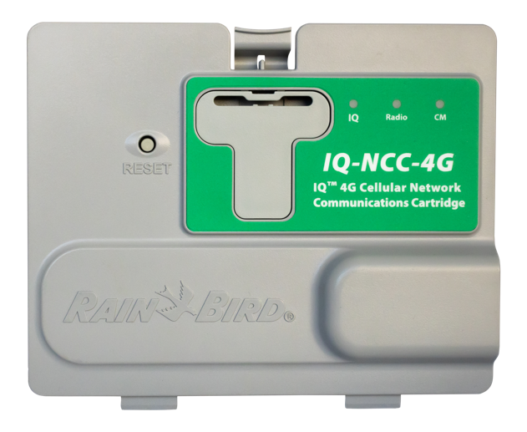 CONTROLLER IQ NCC Cartridges |  |  |  | CLOUD-BASED CENTRAL CONTROL SYSTEM: IQ Central Control System is designed for single or multiple sites - commercial, industrial or municipal applications. Provides remote: programming, management, monitoring, reporting and internet connected weather data for ET based adjustments on all LX Series controllers. COMPATIBLE CONTROLLERS: ESP-LXME, ESP-LXMEF, LXME2, LXME2P, ESP-LXD, ESP-LXIVM, & ESP-LXIVMP (Traditional-Wire and Two-Wire Controllers) COMMUNICATION OPTIONS: 1.Primary: Cellular, Ethernet, WiFi, Fiber-Optics (direct/server) 2. Secondary: Connection Module (hardwire) & Radio (Client) PLEASE CONTACT RAIN BIRD REP. FOR SITES SPECIFIC COMPONENTS & MODEL NUMBERS
IQ CENTRAL CONTROL | IQ Cartridges | IQ-NCC-EN | Ethernet Cartridge Primary Communication (For Wifi Contact Rep.) | IQ NCC Ethernet Cartridge Upgrades ESP-LX Series Controllers to IQ satellite Controllers for Central Control Connectivity. Requires LAN Network Static IP Address. Add WiFi Modem for Wireless Connectivity. Used for Direct or Server Satellite Applications
 |  | IQ-NCC-RS-RS232 | Radio or Hardwire Cartridge Secondary Communication | IQ NCC RS-232 Cartridge Upgrades ESP-LX Series Controllers to IQ Satellite Controllers, for Central Control Connectivity. Use IQ NCC RS-232 for Server/Client or Client to Client Satellite Connections. Use RS232 w/ IQSSRADIO or RB-SS-TN9B radio or IQ-CM-LXD-LXIVM Hardwire Connection Modules (1 Per Controller). Radio Survey is Required. PLEASE CONTACT LOCAL RAIN BIRD REP.
 |  | IQ-SS-RADIO | Radio Secondary Communication Device | Radio Modem Provides IQ Net Wireless Radio Communication b/n Server and Client or Client to Client Satellite Controllers. One Radio Required at Each Controller. Can be used with the RS232 Cartridge for IQ Central Computer. Antenna Specified Separately Based on Radio Site Survey. CONTACT LOCAL RAIN BIRD REP.
 |  | IQ4G-USA | Cellular Cartridge Primary Communication | IQ NCC 4G Cellular Cartridge Upgrades ESP-LX Series Controllers to IQ Satellite, for Communication with IQ Central Control. Include IQEXTANT4G External Antenna for Metal or Stainless Steel Cabinet/Pedestal. Used for Direct or Server Satellite Applications
 |  | IQ-CM-LXD-LXIVM | Connection Hardwire Module Secondary Communication | Connection Module Provides IQNet High-Speed Data Cable Communication b/n Server and Client Satellite or Client to Client Satellites. One (1) Module Per Controller

Flow Sensors
 |  |  |  | **For reference only. End-user to adjust accordingly to site-specific parameters.
PRODUCT CATEGORY | TYPE | MODEL | DESCRIPTION | LEGEND INFO | LANDING PAGE
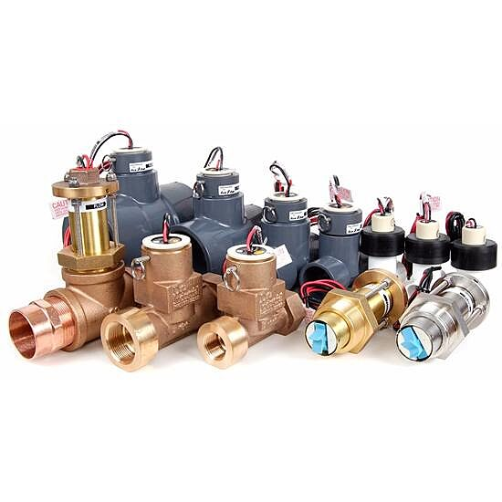 FLOW SENSORS FS Series |  |  |  | FS-SERIES FS-Series Flow Sensors Enable Your System to Capitalize on Flow Management Functionality for High and Low Flow Leak Detection and Diagnosis. FEATURES: Sizes: 1" | 1 1/2" | 2" | 3" Flow Range: 2GPM to 500GPM Material: Brass and Plastic Compatible Controllers: ESP-LXIVM(P) | LXD | LXME2(P) | ME3 (Or Any Other Controller Accepting Custome K-Factor and Offset) Compatible Central Control: IQ | Maxicom | Site Control
FLOW SENSOR | FS Series | FS-100-B | 1 Inch Brass | [1"] Flow Sensor, Brass Model. Suggested Operating Range [2.0 GPM] to [40.0 GPM]. Size for Flow Not According to Pipe Size. Rain Bird Compatible Controllers: ESP-LXIVM(P) | LXD | LXME2(P) | ME3, or Controllers Accepting Custom K-Factor and Offset. Install in Rain Bird Valve Box
 |  | FS-100-P | 1 Inch Plastic | [1"] Flow Sensor, Plastic PVC Model. Suggested Operating Range [5.4 GPM] to [54.0 GPM]. Size for Flow Not According to Pipe Size. Rain Bird Compatible Controllers: ESP-LXIVM(P) | LXD | LXME2(P) | ME3, or Controllers Accepting Custom K-Factor and Offset. Install in Rain Bird Valve Box
 |  | FS-150-B | 1.5 Inch Brass | [1 1/2"] Flow Sensor, Brass Model. Suggested Operating Range [4.0 GPM] to [80.0 GPM]. Size for Flow Not According to Pipe Size. Rain Bird Compatible Controllers: ESP-LXIVM(P) | LXD | LXME2(P) | ME3, or Controllers Accepting Custom K-Factor and Offset. Install in Rain Bird Valve Box
 |  | FS-150-P | 1.5 Inch Plastic | [1 1/2"] Flow Sensor, Plastic PVC Model. Suggested Operating Range [5.0 GPM] to [100.0 GPM]. Size for Flow Not According to Pipe Size. Rain Bird Compatible Controllers: ESP-LXIVM(P) | LXD | LXME2(P) | ME3, or Controllers Accepting Custom K-Factor and Offset. Install in Rain Bird Valve Box
 |  | FS-200-B | 2 Inch Brass | [2"] Flow Sensor, Brass Model. Suggested Operating Range [10.0 GPM] to [100.0 GPM]. Size for Flow Not According to Pipe Size. Rain Bird Compatible Controllers: ESP-LXIVM(P) | LXD | LXME2(P) | ME3, or Controllers Accepting Custom K-Factor and Offset. Install in Rain Bird Valve Box
 |  | FS-200-P | 2 Inch Plastic | [2"] Flow Sensor, Plastic PVC Model. Suggested Operating Range [10.0 GPM] to [200.0 GPM]. Size for Flow Not According to Pipe Size. Compatible w/ Rain Bird: ESP-LXIVM(P) | LXD | LXME2(P) | ME3, or Controllers Accepting Custom K-Factor and Offset. Install in Rain Bird Valve Box
 |  | FS-300-P | 3 Inch Plastic | [3"] Flow Sensor, Plastic PVC Model. Suggested Operating Range [20.0 GPM] to [300.0 GPM]. Size for Flow Not According to Pipe Size. Rain Bird Compatible Controllers: ESP-LXIVM(P) | LXD | LXME2(P) | ME3, or Controllers Accepting Custom K-Factor and Offset. Install in Rain Bird Valve Box
 |  | FS-350-B | 3.5 Inch Brass | [3 1/2"] Flow Sensor, Plastic PVC Model. Suggested Operating Range [12.0 GPM] to [4500.0 GPM]. Size for Flow Not According to Pipe Size. Rain Bird Compatible Controllers: ESP-LXIVM(P) | LXD | LXME2(P) | ME3, or Controllers Accepting Custom K-Factor and Offset. Install in Rain Bird Valve Box
 |  | FS-400-P | 4 Inch Plastic | [4"] Flow Sensor, Plastic PVC Model. Suggested Operating Range [40.0 GPM] to [500.0 GPM]. Size for Flow Not According to Pipe Size. Rain Bird Compatible Controllers: ESP-LXIVM(P) | LXD | LXME2(P) | ME3, or Controllers Accepting Custom K-Factor and Offset. Install in Rain Bird Valve Box
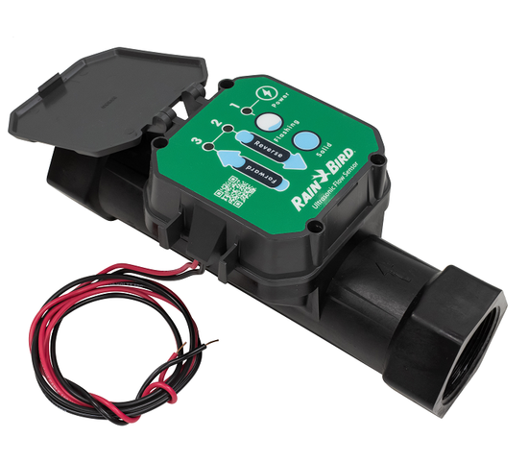 FLOW SENSORS UFS Series |  |  |  | ULTRASONIC FLOW SENSOR UFS Series Utilizes Ultrasonic Waves Making them Perfect for Irrigation Systems with Varying High to Low Flow Ranges (Rotors & Drip). UFS is Also Not Subject to Typical Straight-Pipe Requirements that Limit the Physical Placement in an Irrigation System. FEATURES: Sizes: 1" | 1 1/2" | 2" Flow Range: .3 GPM to 200 GPM Material: Glass Filed Nylon Compatible Controllers: ESP-LXIVM(P) | LXD | LXME2(P) | ME3 (Or Any Other Controller Accepting Custome K-Factor and Offset) Compatible Central Control: IQ | Maxicom | Site Control
FLOW SENSOR | UFS Series | UFS-100 | 1 Inch Ultra-Sonic Plastic | [1"] Ultrasonic Flow Sensors, with Glass Filled Nylon Body. Operating Range [0.3 GPM]-[50 GPM]. Size for Flow Not According to Pipe Size. Rain Bird Compatible Controllers: ESP-LXIVM(P) | LXD | LXME2(P) | ME3, or Controllers Accepting Custom K-Factor and Offset. Install in Rain Bird Valve Box
 |  | UFS-150 | 1.5 Inch Ultra-Sonic Plastic | [1 1/2"] Ultrasonic Flow Sensors, with Glass Filled Nylon Body. Operating Range [0.5 GPM]-[110 GPM]. Size for Flow Not According to Pipe Size. Rain Bird Compatible Controllers: ESP-LXIVM(P) | LXD | LXME2(P) | ME3, or Controllers Accepting Custom K-Factor and Offset. Install in Rain Bird Valve Box
 |  | UFS-200 | 2 Inch Ultra-Sonic Plastic | [2"] Ultrasonic Flow Sensors, with Glass Filled Nylon Body. Operating Range [1 GPM]-[200 GPM]. Size for Flow Not According to Pipe Size. Rain Bird Compatible Controllers: ESP-LXIVM(P) | LXD | LXME2(P) | ME3, or Controllers Accepting Custom K-Factor and Offset. Install in Rain Bird Valve Box

