PRS Replacement SKUs
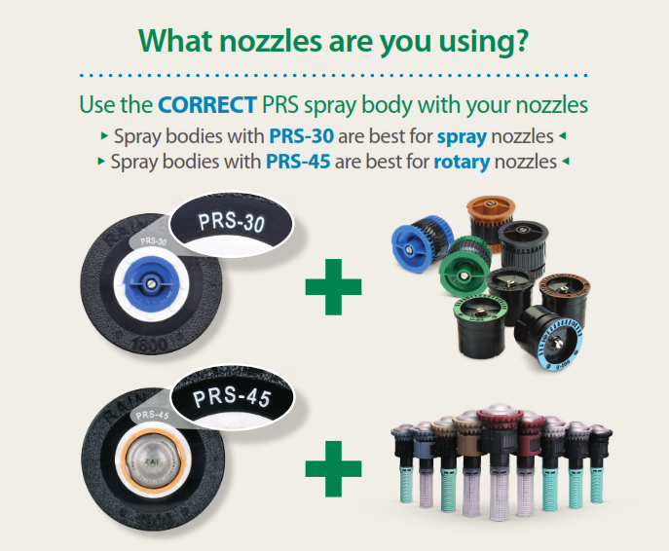
PRS Requirement Effective Dates by State Vermont: July 1, 2020 California: October 1, 2020 Colorado, Hawaii, Washington: January 1, 2021 Massachusetts: January 1, 2022 District of Columbia: March 15, 2022 Maine, New Jersey, Oregon, Rhode Island: January 1, 2023 New York: June 26, 2023
Non-PRS Spray Bodies |  | PRS Spray Body Replacements
Product Id | Model | Replacement Product Ids | Replacement Models
A16501A | PA8S | A46500 or A46501 | PA8SPRS or PA8SP45
A16505 | PA8SNP | A46500 or A46501 | PA8SPRS or PA8SP45 (not purple marked)
P40000 | US400 | A50205 | 1804PRS
P40008 | US408HE | A50205 + HE0801 | 1804PRS + HE-VAN-08
P4101001 | US410 | A50205 | 1804PRS
P40010 | US410HE | A50205 + HE1001 | 1804PRS + HE-VAN-10
P4101201 | US412 | A50205 | 1804PRS
P40012 | US412HE | A50205 + HE1201 | 1804PRS + HE-VAN-12
P4101501 | US415 | A50205 | 1804PRS
P40015 | US415HE | A50205 + HE1501 | 1804PRS + HE-VAN-15
P41018 | US418 | A50205 | 1804PRS
A44020 | 1802R | A50505 | 1802PRS
A44120 | 1804R | A50205 or A50206MX | 1804PRS or 1804P45
A43905 | 1804SAM | A44915 or A44916 | 1804SAMPRS or 1804SAMP45
A35040 | RD04 | A37341 or A37441 | RD04SP30F or RD04SP45F
A35040NP | RD04NP | A37340NP or A37440NP | RD04SP30NP or RD04SP45NP
A44205 | 1806 | A50305 or A50306MX | 1806PRS or 1806P45
A43912 | 1806SAM | A43715 or A43716 | 1806SAMPRS or 1806SAMP45
A44305 | 1812 | A50405 or A50406MX | 1812PRS or 1812P45
A43930 | 1812SAM | A43815 or A43816 | 1812SAMPRS or 1812SAMP45

